Plan1
 | Bloco 1 |  | Bloco 2 |  | Bloco 3 |  | Bloco 4
 | Ext | Int | Ext | Int | Ext | Int | Ext | Int | Meta
Pav 1 | 100% | 100% | 63% | 65% | 47% | 6% | 78% | 80% | 70% | Bloco 1 | Ext
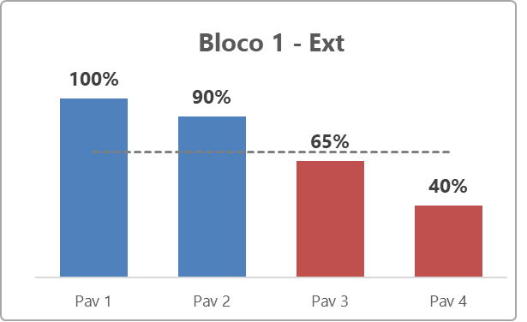
Pav 2 | 90% | 90% | 58% | 74% | 23% | 21% | 26% | 57% | 70%
Pav 3 | 65% | 60% | 11% | 4% | 38% | 90% | 34% | 92% | 70%
Pav 4 | 40% | 40% | 18% | 80% | 98% | 100% | 93% | 92% | 70%

